REPORT
CARBON EMISSION 2015-2030
 | emission | Forecast(emission)
 | 38.4 M
 | 29.6 M
 | 27.4 M
 | 25.1 M
 | 25.0 M
 | 22.5 M
 | 22.5 M
 | 20.3 M
 |  | 18163627.588
 |  | 16055119.811
 |  | 13946612.033
 |  | 11838104.256
 |  | 9729596.4782
 |  | 7621088.7007
 |  | 5512580.9232
 |  | 3404073.1458

Reduced carbon emission by 47.1%*

Forecasted Carbon Emissions

Reached the target to reduce CO2 emission by 75%*

In 2020, Apple initiated its 2030 carbon neutrality plan, announcing its ambitious goal to become carbon neutral across its entire value chain by 2030.

47%
REDUCTION IN CO2 EMISSION
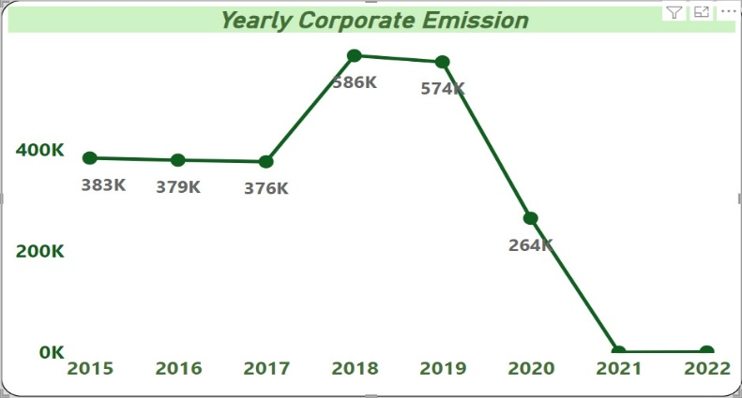
After 2019, corporate carbon emissions started to decline, and by 2020, Apple achieved carbon neutrality in its corporate operations.

2022

68.7% INCREASE IN REVENUE*

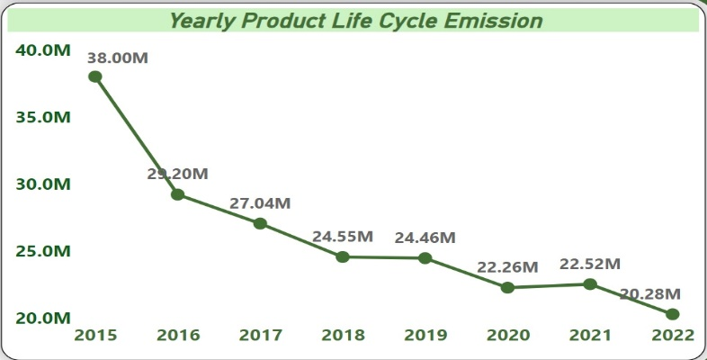
Product life cycle emissions also decreased gradually from 38 million metric tons in 2015 to 20.2 million in 2022.
By 2022, Apple reduced its carbon emissions by 47.17% (~20.3 million metric tons of CO2e).
Apple saw a 68.7% increase in revenue as of 2022, indicating that its sustainability program did not impact sales but boosted revenue.

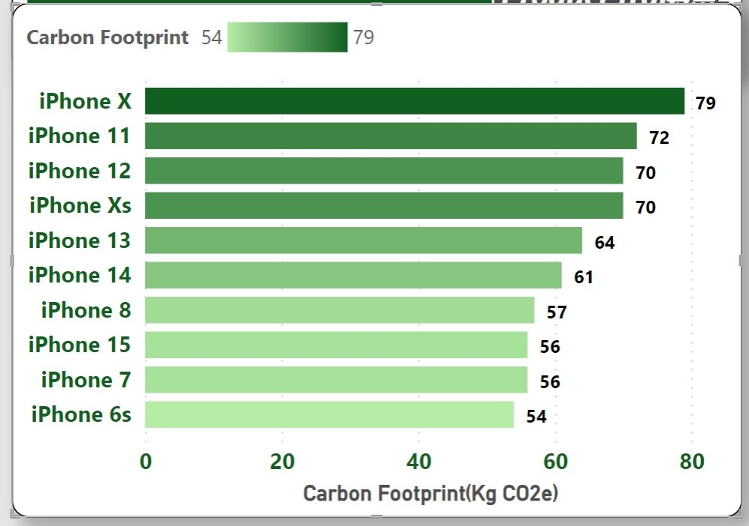
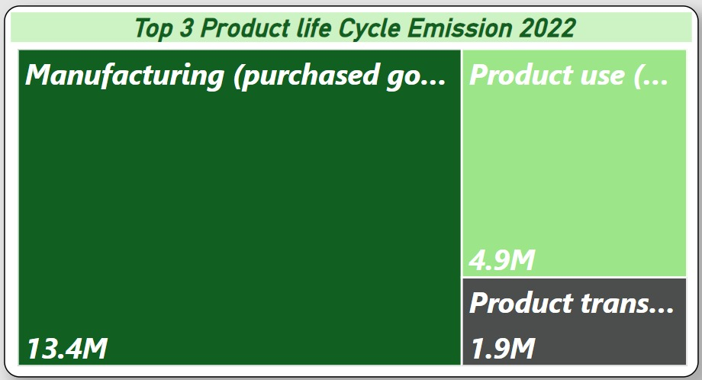
Apple's path toward net-zero carbon emissions not only benefited the environment but also boosted the company's revenue and market capitalization.

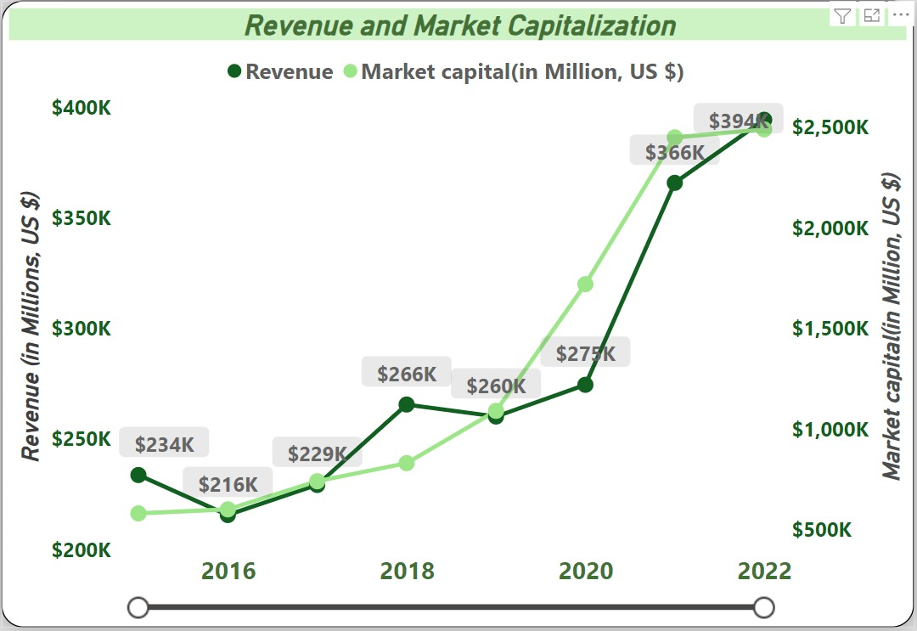

The recent iPhone 15 is recorded to have produced 56 kg CO2e, approximately equal to its older models like the iPhone 7 and 6s, indicating that innovation and sustainability can go hand in hand.
The segments that contributed the most to carbon emissions during the product life cycle are manufacturing (66.3% of total product life cycle carbon emissions), followed by product use (24.3%) and product transportation (9.4%). However, Apple's innovation has helped control emissions over the years.

If Apple continues to invest in new innovations, both in the manufacturing process and in carbon offset programs, it is predicted that the company will achieve its goal of reducing carbon emissions to 9.6 million metric tons of CO2 by 2027. (This prediction was made using Excel forecast sheets with an 85% confidence interval.)

fiscal year | emission | Forecast(emission) | Confidence Interval(emission)
2015 | 38.4 M
2016 | 29.6 M
2017 | 27.4 M
2018 | 25.1 M
2019 | 25.0 M
2020 | 22.5 M
2021 | 22.5 M
2022 | 20.3 M
2023 |  | 18.2 M | 3.7 M
2024 |  | 16.1 M | 5.0 M
2025 |  | 13.9 M | 6.0 M
2026 |  | 11.8 M | 6.9 M
2027 |  | 9.7 M | 7.7 M
2028 |  | 7.6 M | 8.4 M
2029 |  | 5.5 M | 9.1 M
2030 |  | 3.4 M | 9.7 M

